Cover Sheet
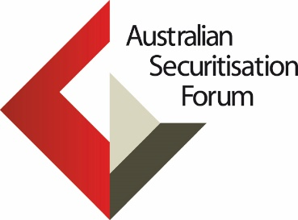

 |  | ANZSIC & IBIS Industry Codes Mapping

This document provides a mapping of all IBIS Industry Codes to their corresponding ANZSIC Industry Codes.

This workbook consists of the following 5 sheets:
1. The cover sheet with guidance to the mapping tables.
2. Full mapping table for all IBIS Industry Codes and the corresponding ANZSIC Industry Codes.
3. Level 1 and Level 4 ANZSIC Industry Codes.
4. Full List of IBIS Industry Codes.
5. A practical example of IBIS to ANZSIC Mapping.

The following are explanations for specific colour coded fields:
 | These are duplicated IBIS codes, this is due to multiple ANZSIC codes relating to the same IBIS code, which creates an XLOOKUP issue as it will always match to the first match in the table. Solution would be to delete one of the duplicates.
 | These are duplicated ANZSIC Codes, this is due to multiple IBIS codes relating to the same ANZSIC code, this does not create an issue with mapping and is necessary for all codes to be mapped.
 | Thematic report codes, if matched, please ensure that you agree with the mapping as thematic codes can sometimes make up encompass a large variety of ANZSIC Codes.

The below table are IBIS codes that have temporary mapping but may need to be reviewed to confirm their mapping

IBIS code | IBIS class title | Comments
X0014* | Automotive Industry | Encompasses all automotive related industries, including manufacturing and retail, does not fit well under any ANZSIC Code
X0016* | Integrated Logistics | Encompasses all transport related industries, does not fit well under any ANZSIC Code
X0028* | Sport | Encompasses betting, teaching, admin and club operations within sports, does not fit well under any ANZSIC Code
X0024* | Public Transport | Public Transport can fall within I6421, I4622, I4720, I4820, I4900 and I5010
P8025 | Private Schools | Currently under P8024, may need to be revisited to match sure it is the best match, does not seem to fit well under any other education codes
P8026 | Government Schools | Currently under P8024, may need to be revisited to match sure it is the best match, does not seem to fit well under any other education codes
*Potential solution for Thematic codes that are not matched is to have them matching to themselves on the ANZSIC side since there are no individual ANZSIC codes that will match them well. This solution can be seen at the bottom of the Mapping table.

